Feeds & Speeds
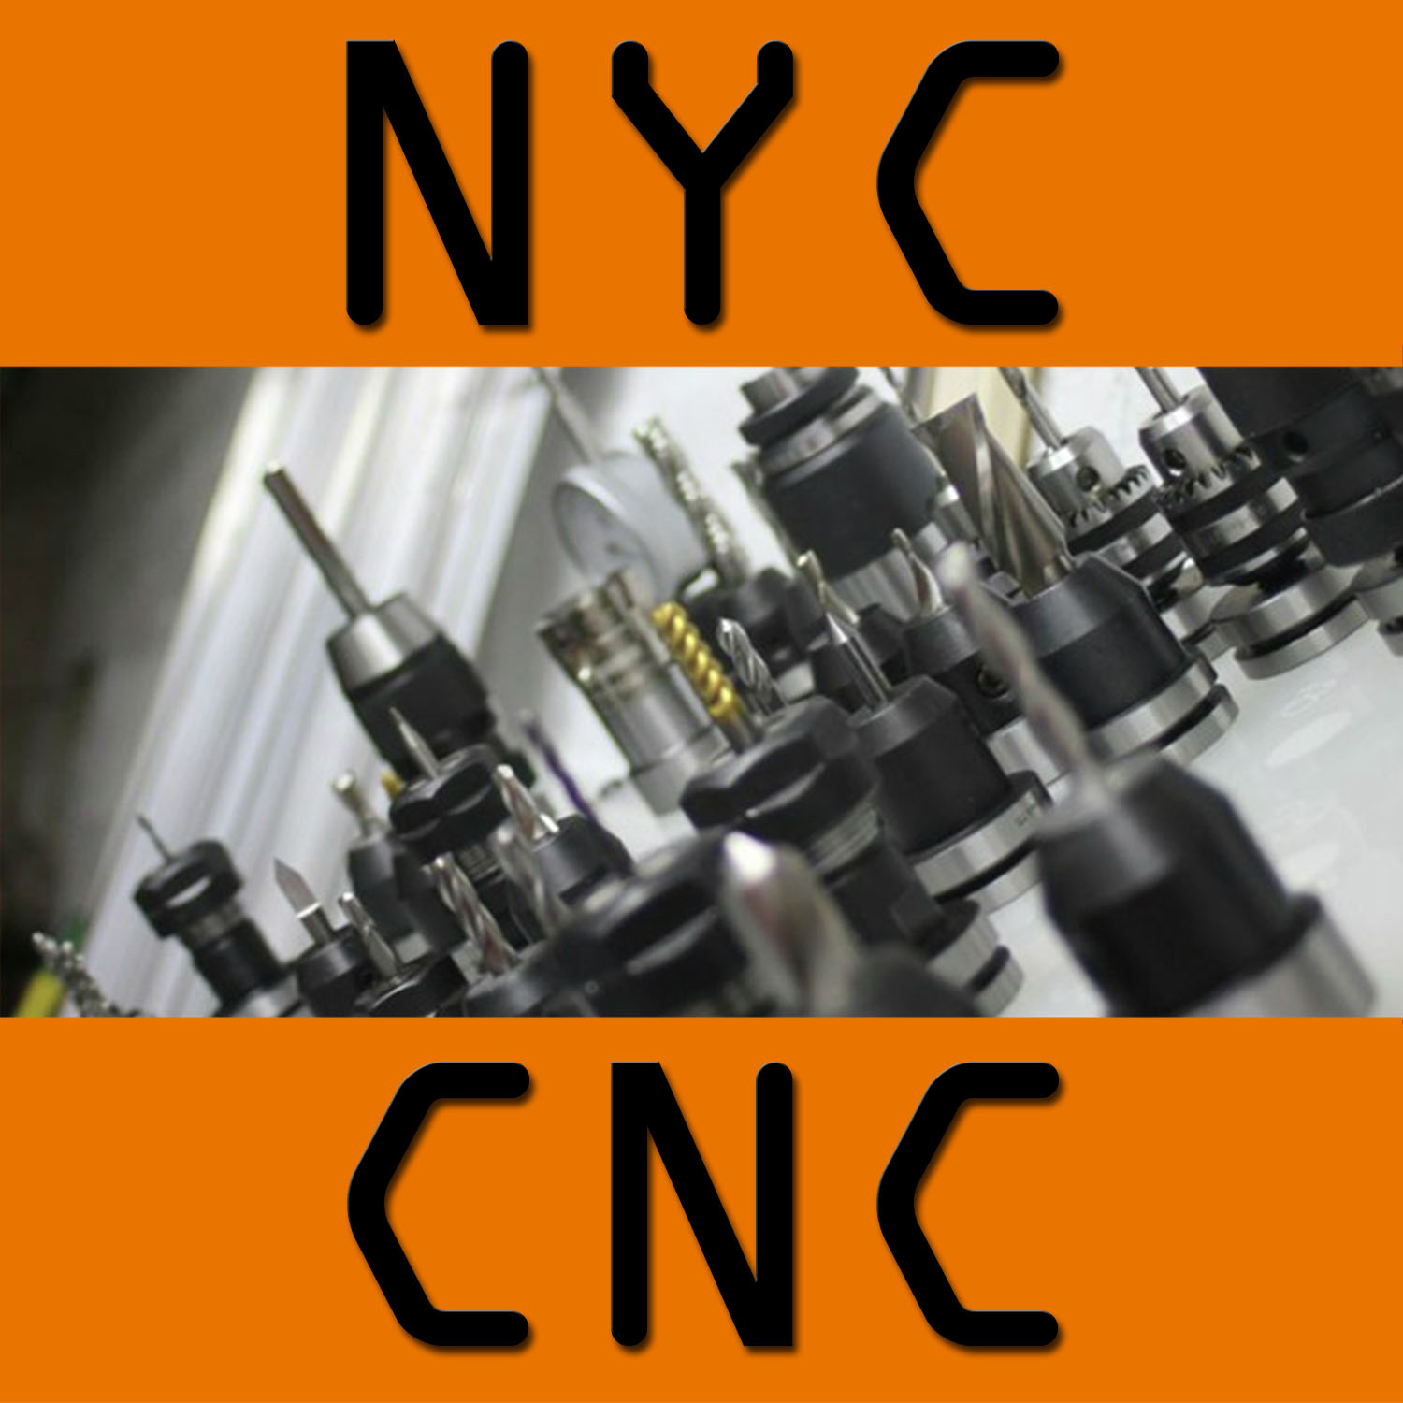

Milling Speeds & Feeds - Imperial/Inch |  |  |  |  |  |  |  |  |  | INCH
BY SFM |  | OR |  | BY RPM |  |  |  | DRILLING
SFM | 225 |  |  | SFM | 334 |  |  | SFM | 245
Tool Diameter | 0.250 |  |  | Tool Diameter | 0.250 |  |  | Tool Diameter | 0.6250
IPT | 0.00200 |  |  | IPT | 0.00200 |  |  | IPR (rev!) | 0.00220
# Flutes | 5 |  |  | # Flutes | 3 |  |  | RPM | 1,500
RPM | 3,438 |  |  | RPM | 5,100 |  |  | Feed (IPM) | 3.3
Feed (IPM) | 34.4 |  |  | Feed (IPM) | 30.6 |  |  | HSS: 100-200 SFM

Speeds & Feeds: Depth of Cut, Width of Cut
 |  |  |  |  |  | Diameter | Low | High | Start at
DOC: | 0% | up to | 200% | of diamater |  | 0.2500 | 0.000 | 0.500 | 0.25
WOC | 5% | up to | 25% | of diamater |  | 0.2500 | 0.013 | 0.063 | 0.050

Exceptions:
Toolings smaller than 1/8" (3mm): different rules apply. Less DOC, WOC; chip evacuation, sometimes IPT gets really low. Harvey Tool = experts
Shear Hog: 0.2" WOC, 0.2" DOC
More flutes = stronger, but reduce WOC to aid in chip evacuation
Steel: SLOW (low) SFM, keep 0.001" IPT
Aluminum: Higher SFM, keep 0.001" IPT

Material Removal Rate & Horsepower Estimate

IPM | DOC | WOC | MRR (cu in) | Material | K Factor | Est. Horsepower
34.4 | 0.25 | 0.050 | 0.43 | 6061-T6 Aluminum | 3.34 | 0.13

255.0 | 0.875 | 0.125 | 27.89 | 6061-T6 Aluminum | 3.34 | 8.34

Formulas to Know!

Feed = RPM * CPT * Flutes
SFM = (Pi * RPM * Dia) / 12
RPM = (12*SFM) / (Pi * diameter)
MRR = WOC * DOC * IPM
HP = MRR / K [Note: HP at cutter]

Milling Speeds & Feeds - Metric |  |  |  |  |  |  |  |  |  | METRIC
BY SFM |  | OR |  | BY RPM |  |  |  | DRILLING
Vc [m/min] | 91 |  |  | Vc [m/min] | 12 |  |  | Vc [m/min] | 4
Tool Diameter [mm] | 6.350 |  |  | Tool Diameter [mm] | 12.700 |  |  | Tool Diameter [mm] | 0.5000
Vz [mm/Z] | 0.05080 |  |  | Vz [mm/Z] | 0.01778 |  |  | VZ (rev!) | 0.05080
# Flutes | 4 |  |  | # Flutes | 4 |  |  | RPM | 2,800
RPM | 4,584 |  |  | RPM | 300 |  |  | Feed [mm/min] | 142.2
Feed (mm/min) | 931.4 |  |  | Feed (mm/min) | 21.3 |  |  | HSS: 30-30 SFM

Speeds & Feeds: Depth of Cut, Width of Cut
 |  |  |  |  |  | Diameter | Low | High
DOC: | 0% | up to | 200% | of diamater |  | 6.3500 | 0.000 | 12.700
WOC | 5% | up to | 25% | of diamater |  | 6.3500 | 0.318 | 1.588

Zig Zag Method
Pi | 3.1415926

Zig Zag Summary:
1) Find conservative starting point - e.g. a baseline cut that is making a good chip and machine is happy.
If you have no idea where to start, try 1,000 RPM and a 0.00075 chipload per tooth
2) Increase RPM, keep chipload constant (so higher feedrate!)
3) If #2 is OK, then try higher chipload (same RPM). So again, this means a higher feedrate!
4) If #3 is OK, then back to #2 - e.g. increase RPM and continue process of zig/zag between increasing RPM and Chipload

Chip Thinning
Radial Chip Thinning!
Constant | Diameter | Radial Stepover | Diameter/Radial Stepover | IPT (Programmed) | IPT (Actual) | "Tenths"
0.5 | 0.5 | 0.02 | 25.00 | 0.0025 | 0.00097979589711 | 9.8

0.5 | 0.5 | 0.015 | 33.33 | 0.0045 | 0.0015 | 15.4

0.5 | 0.25 | 0.017 | 14.71 | 0.001 | 0.0005 | 5.0

0.5 | 0.25 | 0.01 | 25.00 | 0.001 | 0.0004 | 3.9

Great Sandvik YouTube Video discussing and demonstrating this:
https://www.youtube.com/watch?v=4Q4yRt1jHGo

IPT (Actual) Shows the Effect of Chip Thinning!

Graph Data
Constant | Diameter | Radial Stepover | Diameter/Radial Stepover | IPT (Programmed) | IPT (Actual)
0.5 | 0.5 | 0.125 | 4.00 | 0.005 | 0.0043
0.5 | 0.5 | 0.124 | 4.03 | 0.005 | 0.0043
0.5 | 0.5 | 0.123 | 4.07 | 0.005 | 0.0043
0.5 | 0.5 | 0.122 | 4.10 | 0.005 | 0.0043
0.5 | 0.5 | 0.121 | 4.13 | 0.005 | 0.0043
0.5 | 0.5 | 0.12 | 4.17 | 0.005 | 0.0043
0.5 | 0.5 | 0.119 | 4.20 | 0.005 | 0.0043
0.5 | 0.5 | 0.118 | 4.24 | 0.005 | 0.0042
0.5 | 0.5 | 0.117 | 4.27 | 0.005 | 0.0042
0.5 | 0.5 | 0.116 | 4.31 | 0.005 | 0.0042
0.5 | 0.5 | 0.115 | 4.35 | 0.005 | 0.0042
0.5 | 0.5 | 0.114 | 4.39 | 0.005 | 0.0042
0.5 | 0.5 | 0.113 | 4.42 | 0.005 | 0.0042
0.5 | 0.5 | 0.112 | 4.46 | 0.005 | 0.0042
0.5 | 0.5 | 0.111 | 4.50 | 0.005 | 0.0042
0.5 | 0.5 | 0.11 | 4.55 | 0.005 | 0.0041
0.5 | 0.5 | 0.109 | 4.59 | 0.005 | 0.0041
0.5 | 0.5 | 0.108 | 4.63 | 0.005 | 0.0041
0.5 | 0.5 | 0.107 | 4.67 | 0.005 | 0.0041
0.5 | 0.5 | 0.106 | 4.72 | 0.005 | 0.0041
0.5 | 0.5 | 0.105 | 4.76 | 0.005 | 0.0041
0.5 | 0.5 | 0.104 | 4.81 | 0.005 | 0.0041
0.5 | 0.5 | 0.103 | 4.85 | 0.005 | 0.0040
0.5 | 0.5 | 0.102 | 4.90 | 0.005 | 0.0040
0.5 | 0.5 | 0.101 | 4.95 | 0.005 | 0.0040
0.5 | 0.5 | 0.1 | 5.00 | 0.005 | 0.0040
0.5 | 0.5 | 0.099 | 5.05 | 0.005 | 0.0040
0.5 | 0.5 | 0.098 | 5.10 | 0.005 | 0.0040
0.5 | 0.5 | 0.097 | 5.15 | 0.005 | 0.0040
0.5 | 0.5 | 0.096 | 5.21 | 0.005 | 0.0039
0.5 | 0.5 | 0.095 | 5.26 | 0.005 | 0.0039
0.5 | 0.5 | 0.094 | 5.32 | 0.005 | 0.0039
0.5 | 0.5 | 0.093 | 5.38 | 0.005 | 0.0039
0.5 | 0.5 | 0.092 | 5.43 | 0.005 | 0.0039
0.5 | 0.5 | 0.091 | 5.49 | 0.005 | 0.0039
0.5 | 0.5 | 0.09 | 5.56 | 0.005 | 0.0038
0.5 | 0.5 | 0.089 | 5.62 | 0.005 | 0.0038
0.5 | 0.5 | 0.088 | 5.68 | 0.005 | 0.0038
0.5 | 0.5 | 0.087 | 5.75 | 0.005 | 0.0038
0.5 | 0.5 | 0.086 | 5.81 | 0.005 | 0.0038
0.5 | 0.5 | 0.085 | 5.88 | 0.005 | 0.0038
0.5 | 0.5 | 0.084 | 5.95 | 0.005 | 0.0037
0.5 | 0.5 | 0.083 | 6.02 | 0.005 | 0.0037
0.5 | 0.5 | 0.082 | 6.10 | 0.005 | 0.0037
0.5 | 0.5 | 0.081 | 6.17 | 0.005 | 0.0037
0.5 | 0.5 | 0.08 | 6.25 | 0.005 | 0.0037
0.5 | 0.5 | 0.079 | 6.33 | 0.005 | 0.0036
0.5 | 0.5 | 0.078 | 6.41 | 0.005 | 0.0036
0.5 | 0.5 | 0.077 | 6.49 | 0.005 | 0.0036
0.5 | 0.5 | 0.076 | 6.58 | 0.005 | 0.0036
0.5 | 0.5 | 0.075 | 6.67 | 0.005 | 0.0036
0.5 | 0.5 | 0.074 | 6.76 | 0.005 | 0.0036
0.5 | 0.5 | 0.073 | 6.85 | 0.005 | 0.0035
0.5 | 0.5 | 0.072 | 6.94 | 0.005 | 0.0035
0.5 | 0.5 | 0.071 | 7.04 | 0.005 | 0.0035
0.5 | 0.5 | 0.07 | 7.14 | 0.005 | 0.0035
0.5 | 0.5 | 0.069 | 7.25 | 0.005 | 0.0034
0.5 | 0.5 | 0.068 | 7.35 | 0.005 | 0.0034
0.5 | 0.5 | 0.067 | 7.46 | 0.005 | 0.0034
0.5 | 0.5 | 0.066 | 7.58 | 0.005 | 0.0034
0.5 | 0.5 | 0.065 | 7.69 | 0.005 | 0.0034
0.5 | 0.5 | 0.064 | 7.81 | 0.005 | 0.0033
0.5 | 0.5 | 0.063 | 7.94 | 0.005 | 0.0033
0.5 | 0.5 | 0.062 | 8.06 | 0.005 | 0.0033
0.5 | 0.5 | 0.061 | 8.20 | 0.005 | 0.0033
0.5 | 0.5 | 0.06 | 8.33 | 0.005 | 0.0032
0.5 | 0.5 | 0.059 | 8.47 | 0.005 | 0.0032
0.5 | 0.5 | 0.058 | 8.62 | 0.005 | 0.0032
0.5 | 0.5 | 0.057 | 8.77 | 0.005 | 0.0032
0.5 | 0.5 | 0.056 | 8.93 | 0.005 | 0.0032
0.5 | 0.5 | 0.055 | 9.09 | 0.005 | 0.0031
0.5 | 0.5 | 0.054 | 9.26 | 0.005 | 0.0031
0.5 | 0.5 | 0.053 | 9.43 | 0.005 | 0.0031
0.5 | 0.5 | 0.052 | 9.62 | 0.005 | 0.0031
0.5 | 0.5 | 0.051 | 9.80 | 0.005 | 0.0030
0.5 | 0.5 | 0.05 | 10.00 | 0.005 | 0.0030
0.5 | 0.5 | 0.049 | 10.20 | 0.005 | 0.0030
0.5 | 0.5 | 0.048 | 10.42 | 0.005 | 0.0029
0.5 | 0.5 | 0.047 | 10.64 | 0.005 | 0.0029
0.5 | 0.5 | 0.046 | 10.87 | 0.005 | 0.0029
0.5 | 0.5 | 0.045 | 11.11 | 0.005 | 0.0029
0.5 | 0.5 | 0.044 | 11.36 | 0.005 | 0.0028
0.5 | 0.5 | 0.043 | 11.63 | 0.005 | 0.0028
0.5 | 0.5 | 0.042 | 11.90 | 0.005 | 0.0028
0.5 | 0.5 | 0.041 | 12.20 | 0.005 | 0.0027
0.5 | 0.5 | 0.04 | 12.50 | 0.005 | 0.0027
0.5 | 0.5 | 0.039 | 12.82 | 0.005 | 0.0027
0.5 | 0.5 | 0.038 | 13.16 | 0.005 | 0.0026
0.5 | 0.5 | 0.037 | 13.51 | 0.005 | 0.0026
0.5 | 0.5 | 0.036 | 13.89 | 0.005 | 0.0026
0.5 | 0.5 | 0.035 | 14.29 | 0.005 | 0.0026
0.5 | 0.5 | 0.034 | 14.71 | 0.005 | 0.0025
0.5 | 0.5 | 0.033 | 15.15 | 0.005 | 0.0025
0.5 | 0.5 | 0.032 | 15.63 | 0.005 | 0.0024
0.5 | 0.5 | 0.031 | 16.13 | 0.005 | 0.0024
0.5 | 0.5 | 0.03 | 16.67 | 0.005 | 0.0024
0.5 | 0.5 | 0.029 | 17.24 | 0.005 | 0.0023
0.5 | 0.5 | 0.028 | 17.86 | 0.005 | 0.0023
0.5 | 0.5 | 0.027 | 18.52 | 0.005 | 0.0023
0.5 | 0.5 | 0.026 | 19.23 | 0.005 | 0.0022
0.5 | 0.5 | 0.025 | 20.00 | 0.005 | 0.0022
0.5 | 0.5 | 0.024 | 20.83 | 0.005 | 0.0021
0.5 | 0.5 | 0.023 | 21.74 | 0.005 | 0.0021
0.5 | 0.5 | 0.022 | 22.73 | 0.005 | 0.0021
0.5 | 0.5 | 0.021 | 23.81 | 0.005 | 0.0020
0.5 | 0.5 | 0.02 | 25.00 | 0.005 | 0.0020
0.5 | 0.5 | 0.019 | 26.32 | 0.005 | 0.0019
0.5 | 0.5 | 0.018 | 27.78 | 0.005 | 0.0019
0.5 | 0.5 | 0.017 | 29.41 | 0.005 | 0.0018
0.5 | 0.5 | 0.016 | 31.25 | 0.005 | 0.0018
0.5 | 0.5 | 0.015 | 33.33 | 0.005 | 0.0017
0.5 | 0.5 | 0.014 | 35.71 | 0.005 | 0.0016
0.5 | 0.5 | 0.013 | 38.46 | 0.005 | 0.0016
0.5 | 0.5 | 0.012 | 41.67 | 0.005 | 0.0015
0.5 | 0.5 | 0.011 | 45.45 | 0.005 | 0.0015
0.5 | 0.5 | 0.01 | 50.00 | 0.005 | 0.0014
0.5 | 0.5 | 0.009 | 55.56 | 0.005 | 0.0013
0.5 | 0.5 | 0.008 | 62.50 | 0.005 | 0.0013
0.5 | 0.5 | 0.007 | 71.43 | 0.005 | 0.0012
0.5 | 0.5 | 0.006 | 83.33 | 0.005 | 0.0011
0.5 | 0.5 | 0.005 | 100.00 | 0.005 | 0.0010
0.5 | 0.5 | 0.004 | 125.00 | 0.005 | 0.0009
0.5 | 0.5 | 0.003 | 166.67 | 0.005 | 0.0008
0.5 | 0.5 | 0.002 | 250.00 | 0.005 | 0.0006
0.5 | 0.5 | 0.001 | 500.00 | 0.005 | 0.0004

Fusion 360 Graphic

Stepover | 50%
End Mill | 0.25
Starting WOC: | 0.125
IPT: | 0.001
RPM: | 5,100
IPM: | 15.3

